Sheet1
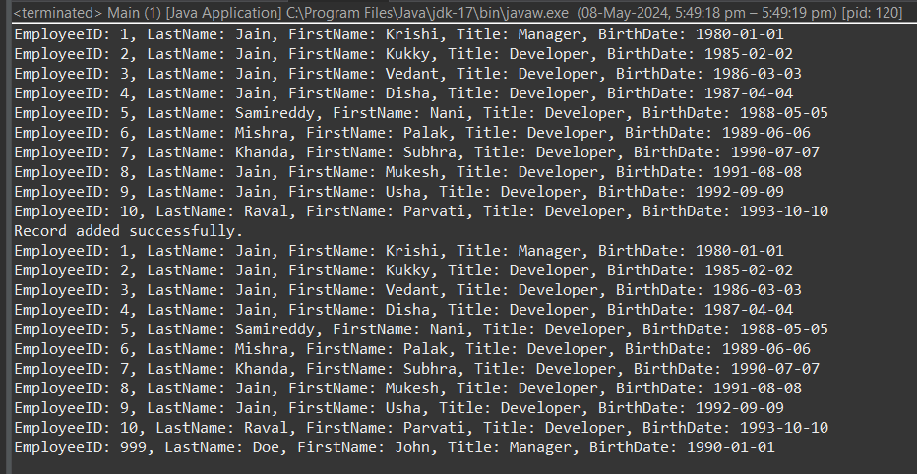
Assignment - 1 | Understanding RowSet
Requirement | 1. Class name: DataFetcher
 | 2. Properties: command, dataSourceName
 | 3. Method (1): connect
 | 4. Read the settings about Driver, connectionURL, Username and Password using PropertyUtil class and make a connection with the database.
 | 5. Method (2): executeInCached()
 | 6. This executes the command and returns the result in CachedRowSet. Before returning the result, it closes the connection.
 | 7. Method (3): executeInXML()
 | 8. This executes the command and returns the result in WebRowSet. Before returning the result, it closes the connection.
 | 9. Class name: RowSetDisplayer
 | 10. Properties: NONE
 | 11. Method (1): DisplayEmpData (int typeOfRowSet) ==> 1 for Cached, 2 for XML others values should be considered as ERROR.
 | 12. It creates an object of DataFetcher and invokes connect(), executeInCached() OR executeInXML() (based on the parameter value)
 | 13. The command for the object is "select EmployeeID, LastName, FirstName, Title, BirthDate from Employees"
 | 14. dataSourceName for the object is "Northwind"
 | 15. Print the result sent by DataFetcher object on the console.
 | 16. Invoke the logic from Main() Method.
 | 17. Hint: com.sun package in rt.jar have the package for rowset implementation.
 | 18. Observation: Add one or method to DataFetcher for JdbcRowSet execution and try closing the connection before returning the result.

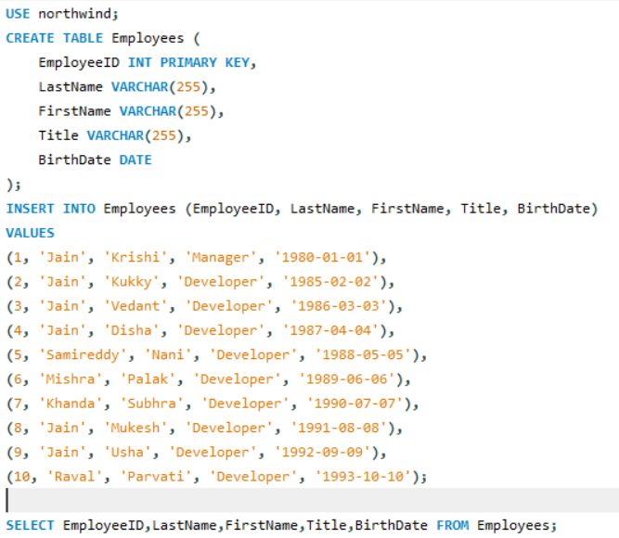
SQL QUERY

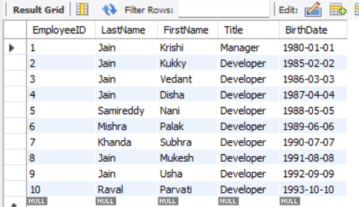
RESULT

JAVA CODE

 | package com.pengwin.krishi.jdbc.day3;

 | import java.sql.*;
 | import javax.sql.rowset.*;
 | import javax.sql.rowset.JdbcRowSet;

 | import com.pengwin.krishi.jdbc.day1.PropertyUtil;

 | public class DataFetcher {
 | private String command = "SELECT EmployeeID,LastName,FirstName,Title,BirthDate FROM Employees";
 | private String dataSourceName;
 | private Connection conn;

 | public DataFetcher(String dataSourceName) {
 | this.dataSourceName = dataSourceName;
 | }
 | public void connect() {
 | String url = PropertyUtil.getProperty("url2");
 | String username = PropertyUtil.getProperty("username");
 | String password = PropertyUtil.getProperty("password");
 | try {
 | Class.forName("com.mysql.cj.jdbc.Driver" );
 | conn = DriverManager.getConnection(url+dataSourceName, username, password);
 | } catch (Exception e) {
 | e.printStackTrace();
 | }
 | }

 | public CachedRowSet executeInCached() throws SQLException {
 | CachedRowSet crs = RowSetProvider.newFactory().createCachedRowSet();
 | try {
 | Statement stmt = conn.createStatement();
 | ResultSet rs = stmt.executeQuery(command);
 | crs.populate(rs);
 | } catch (SQLException e) {
 | e.printStackTrace();
 | } finally {
 | if (conn != null) {
 | conn.close();
 | }
 | }
 | return crs;
 | }

 | public WebRowSet executeInXML() throws SQLException {
 | WebRowSet wrs = RowSetProvider.newFactory().createWebRowSet();
 | try {
 | Statement stmt = conn.createStatement();
 | ResultSet rs = stmt.executeQuery(command);
 | wrs.populate(rs);
 | } catch (SQLException e) {
 | e.printStackTrace();
 | } finally {
 | if (conn != null) {
 | conn.close();
 | }
 | }
 | return wrs;
 | }
 | public JdbcRowSet executeInJdbc() throws SQLException {
 | RowSetFactory factory = RowSetProvider.newFactory();
 | JdbcRowSet jrs = factory.createJdbcRowSet();
 | String url = PropertyUtil.getProperty("url");
 | String username = PropertyUtil.getProperty("username");
 | String password = PropertyUtil.getProperty("password");
 | try {
 | jrs.setUrl(url);
 | jrs.setUsername(username);
 | jrs.setPassword(password);
 | jrs.setCommand(command);
 | jrs.execute();
 | } catch (SQLException e) {
 | e.printStackTrace();
 | } finally {
 | if (conn != null) {
 | conn.close();
 | }
 | }
 | return jrs;
 | }
 | }

 | package com.pengwin.krishi.jdbc.day3;

 | import java.sql.*;
 | import javax.sql.rowset.*;

 | public class RowSetDisplayer {
 | public void displayEmpData(int typeOfRowSet) throws SQLException {
 | DataFetcher dataFetcher = new DataFetcher("northwind");
 | dataFetcher.connect();
 | if (typeOfRowSet == 1) {
 | CachedRowSet crs = dataFetcher.executeInCached();
 | System.out.println("EmployeeID | LastName | FirstName | Title | BirthDate");
 | System.out.println("---------------------------------------------------------------------------------");
 | // Printing the result
 | while (crs.next()) {
 | System.out.println(crs.getInt("EmployeeID") + "\t\t" + crs.getString("LastName") + "\t\t" + crs.getString("FirstName") + "\t\t" + crs.getString("Title") + "\t\t" + crs.getDate("BirthDate"));
 | }
 | } else if (typeOfRowSet == 2) {
 | WebRowSet wrs = dataFetcher.executeInXML();
 | System.out.println("EmployeeID | LastName | FirstName | Title | BirthDate");
 | System.out.println("---------------------------------------------------------------------------------");
 | // Printing the result
 | while (wrs.next()) {
 | System.out.println(wrs.getInt("EmployeeID") + "\t\t" + wrs.getString("LastName") + "\t\t" + wrs.getString("FirstName") + "\t\t" + wrs.getString("Title") + "\t\t" + wrs.getDate("BirthDate"));
 | }
 | }
 | else if (typeOfRowSet == 3) {
 | JdbcRowSet jrs = dataFetcher.executeInJdbc();
 | System.out.println("EmployeeID | LastName | FirstName | Title | BirthDate");
 | System.out.println("---------------------------------------------------------------------------------");
 | // Printing the result
 | while (jrs.next()) {
 | System.out.println(jrs.getInt("EmployeeID") + "\t\t" + jrs.getString("LastName") + "\t\t" + jrs.getString("FirstName") + "\t\t" + jrs.getString("Title") + "\t\t" + jrs.getDate("BirthDate"));
 | }
 | }
 | else {
 | System.out.println("ERROR: Invalid type of RowSet");
 | }
 | }

 | public static void main(String[] args) throws SQLException {
 | RowSetDisplayer displayer = new RowSetDisplayer();
 | displayer.displayEmpData(1);
 | displayer.displayEmpData(2);
 | displayer.displayEmpData(3);
 | displayer.displayEmpData(0);
 | }
 | }

 | url=jdbc:mysql://localhost:3306/northwind
 | url2=jdbc:mysql://localhost:3306/
 | username=root
 | password=root

 | package com.pengwin.krishi.jdbc.day1;

 | import java.io.FileInputStream;
 | import java.io.IOException;
 | import java.util.Properties;

 | public class PropertyUtil {
 | private static final String PROPERTY_FILE = "src/com/pengwin/krishi/jdbc/day1/settings.properties";

 | public static String getProperty(String key) {
 | Properties properties = new Properties();
 | try {
 | properties.load(new FileInputStream(PROPERTY_FILE));
 | return properties.getProperty(key);
 | } catch (IOException e) {
 | e.printStackTrace();
 | return null;
 | }
 | }
 | }

 | module jdbc_tasks {
 | requires java.sql;
 | requires java.sql.rowset;
 | }

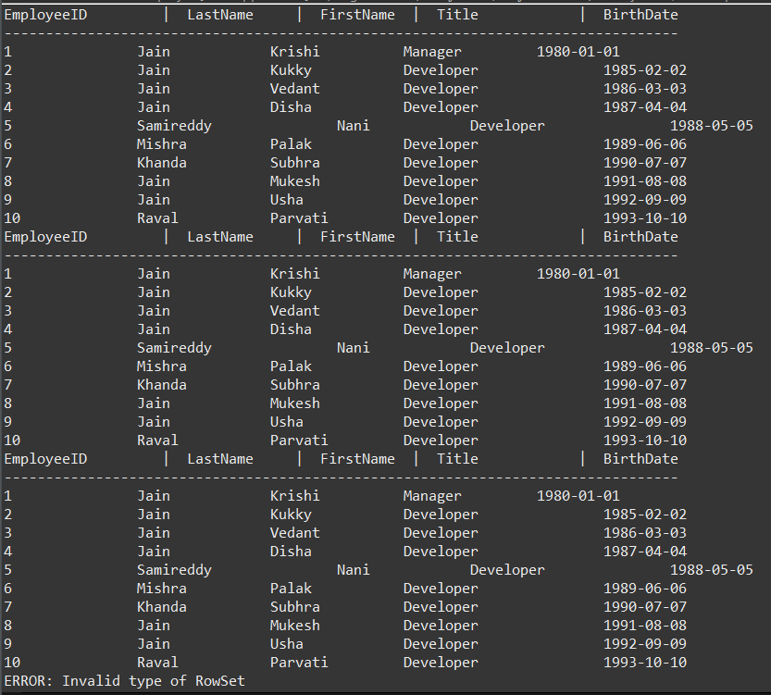
RESULT

Assignment - 2 | Insert the records to the ResultSet
Requirement | 1. Class name: FetcherAndAdder
 | 2. Properties: command, dataSourceName
 | 3. Method (1): connect
 | 4. Read the settings about Driver, connectionURL, Username and Password using PropertyUtil class and make a connection with the database.

 | 13. The command for the object is "select EmployeeID, LastName, FirstName, Title, BirthDate from Employees"
 | 14. dataSourceName for the object is "Northwind"

 | package com.pengwin.krishi.jdbc.day3;

 | import javax.sql.rowset.CachedRowSet;
 | import java.sql.Date;
 | import java.sql.SQLException;
 | public class Main {
 | public static void main(String[] args) {
 | // Fetch records
 | FetcherAndAdder fetcherAndAdder = new FetcherAndAdder("select EmployeeID, LastName, FirstName, Title, BirthDate from Employees", "Northwind");
 | CachedRowSet cachedRowSet = fetcherAndAdder.fetchRecords();
 | displayResultSet(cachedRowSet);
 | // Add a new record
 | fetcherAndAdder.addRecord(999, "Doe", "John", "Manager", Date.valueOf("1990-01-01"));
 | // Display records after adding
 | cachedRowSet = fetcherAndAdder.fetchRecords();
 | displayResultSet(cachedRowSet);
 | }
 | private static void displayResultSet(CachedRowSet rowSet) {
 | try {
 | while (rowSet.next()) {
 | System.out.println("EmployeeID: " + rowSet.getString("EmployeeID") +
 | ", LastName: " + rowSet.getString("LastName") +
 | ", FirstName: " + rowSet.getString("FirstName") +
 | ", Title: " + rowSet.getString("Title") +
 | ", BirthDate: " + rowSet.getString("BirthDate"));
 | }
 | } catch (SQLException e) {
 | e.printStackTrace();
 | }
 | }
 | }

 | package com.pengwin.krishi.jdbc.day3;
 | import javax.sql.rowset.CachedRowSet;
 | import java.sql.*;
 | public class FetcherAndAdder {
 | private String command;
 | private String dataSourceName;
 | private String url;
 | private String username;
 | private String password;
 | public FetcherAndAdder(String command, String dataSourceName) {
 | this.command = command;
 | this.dataSourceName = dataSourceName;
 | this.url = "jdbc:mysql://localhost:3306/" + dataSourceName;
 | this.username = "root";
 | this.password = "root";
 | }
 | public void connect() {
 | try {
 | Class.forName("com.mysql.cj.jdbc.Driver");
 | } catch (ClassNotFoundException e) {
 | e.printStackTrace();
 | }
 | }
 | public CachedRowSet fetchRecords() {
 | connect();
 | try (Connection connection = DriverManager.getConnection(url, username, password);
 | PreparedStatement statement = connection.prepareStatement(command);
 | ResultSet resultSet = statement.executeQuery()) {
 | CachedRowSet cachedRowSet = javax.sql.rowset.RowSetProvider.newFactory().createCachedRowSet();
 | cachedRowSet.populate(resultSet);
 | return cachedRowSet;
 | } catch (SQLException e) {
 | e.printStackTrace();
 | return null;
 | }
 | }
 | public void addRecord(int employeeID, String lastName, String firstName, String title, Date birthDate) {
 | connect();
 | try (Connection connection = DriverManager.getConnection(url, username, password);
 | PreparedStatement statement = connection.prepareStatement("INSERT INTO Employees (EmployeeID, LastName, FirstName, Title, BirthDate) VALUES (?, ?, ?, ?, ?)")) {
 | statement.setInt(1, employeeID);
 | statement.setString(2, lastName);
 | statement.setString(3, firstName);
 | statement.setString(4, title);
 | statement.setDate(5, birthDate);
 | statement.executeUpdate();
 | System.out.println("Record added successfully.");
 | } catch (SQLException e) {
 | e.printStackTrace();
 | }
 | }
 | }

OUTPUT

